Standings (2024)
RANK | PLAYER | POINTS | Record
1 | Slick | 302 | 110-72-1
2 | Griffin | 273 | 96-88-1
3 | Murphy | 271 | 91-76-1
4 | Wells | 266 | 87-97-1
5 | Jimmy | 266 | 89-90-1
6 | Mike | 264 | 93-84-1
7 | Jon | 259 | 85-97-1
8 | Ike | 253 | 92-86-2
9 | Lumia | 238 | 79-94-2

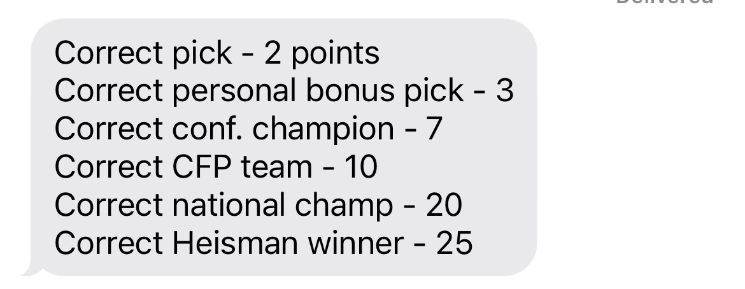
 | Slick | 198
 | Murphy | 171
 | Griffin | 169
 | Mike | 165
 | Jon | 158
 | Wells | 151
 | Ike | 150
 | Jimmy | 146
 | Lumia | 136

